Worksheet
# | Product Image | Product Name | Product code | EAN | Color ID | Color | Wholesale price | Retail price | Available stock
1 | 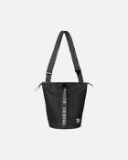 | All Day Bucket Solid shoulder bag | 091271 | 6411254761540 | 009 | black | 67.14 | 185 | 0
2 | 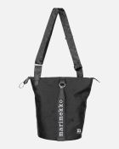 | All Day Bucket Unikko | 092226 | 6411254843352 | 999 | black | 72.58 | 200 | 5
3 | 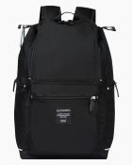 | Buddy backpack | 092512 | 6411254851135 | 999 | black | 80.95 | 190 | 359
4 | 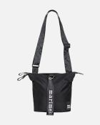 | Carry All Solid bag | 091923 | 6411254807774 | 009 | black | 63.51 | 175 | 57
5 | 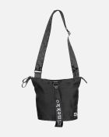 | Carry All Unikko | 092227 | 6411254843468 | 999 | black | 67.14 | 185 | 86
6 | 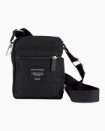 | Cash & Carry shoulder bag | 092517 | 6411254851142 | 999 | black | 44.43 | 105 | 28
7 | 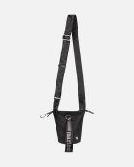 | Essential Bucket Solid shoulder bag | 091201 | 6411254757109 | 009 | black | 50.81 | 140 | 509
8 | 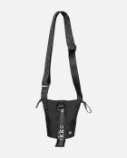 | Essential Bucket Unikko | 092228 | 6411254843451 | 999 | black | 56.25 | 155 | 268
9 | 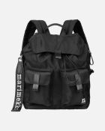 | Everything Backpack L Solid backpack | 091198 | 6411254757017 | 009 | black | 92.54 | 255 | 100
10 | 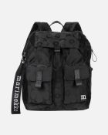 | Everything Backpack L Unikko | 092229 | 6411254843505 | 999 | black | 101.61 | 280 | 69
11 | 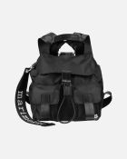 | Everything Backpack S Solid backpack | 091199 | 6411254757079 | 009 | black | 76.21 | 210 | 78
12 | 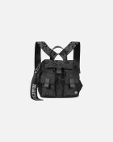 | Everything Backpack S Unikko | 092230 | 6411254843482 | 999 | black | 83.47 | 230 | 7
13 | 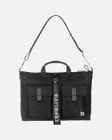 | Everything Messenger Solid | 092327 | 6411254833001 | 009 | black | 88.91 | 245 | 20
14 |  | KIOSKI Torna Unikko bag | 047931 | 6411254522110 | 910 | black, white | 48.99 | 135 | 0
15 | 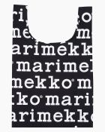 | Marilogo smartbag | 048854 | 6411254578797 | 910 | black, white | 10.52 | 29 | 4
16 | 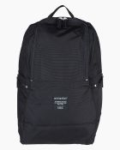 | Metro Backpack | 092518 | 6411254851159 | 999 | black | 75.96 | 180 | 7
17 |  | Mini Messenger Solid shoulder bag | 092538 | 6411254888551 | 009 | black | 59.88 | 165 | 5
18 | 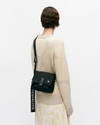 | Mini Messenger Unikko shoulder bag | 092803 | 6411254888575 | 999 | black | 63.51 | 175 | 89
19 | 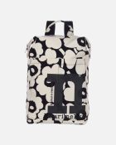 | Mono Backpack Unikko | 092195 | 6411254844595 | 908 | cotton, black | 92.54 | 255 | 134
20 | 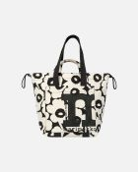 | Mono City Tote Unikko | 092196 | 6411254844601 | 908 | cotton, black | 81.65 | 225 | 153
21 | 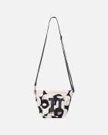 | Mono Mini Crossbody Unikko | 092198 | 6411254844700 | 908 | cotton, black | 58.06 | 160 | 98
22 | 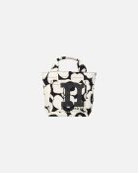 | Mono Mini Tote Unikko | 092197 | 6411254844717 | 908 | cotton, black | 39.92 | 110 | 65
23 | 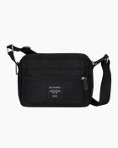 | My Things shoulder bag | 092519 | 6411254851166 | 999 | black | 53.26 | 125 | 2
24 | 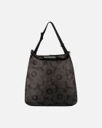 | Neat Crossbody Unikko L | 094121 | 6411255000631 | 999 | dark grey, grey | 34.48 | 95 | 0
25 | 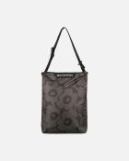 | Neat Crossbody Unikko M | 094122 | 6411255000594 | 999 | dark grey, grey | 30.85 | 85 | 66
26 |  | Neat Crossbody Unikko S | 094123 | 6411255000549 | 999 | dark grey, grey | 27.22 | 75 | 0
27 | 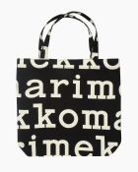 | Notko Logo bag | 047312 | 6411254501481 | 911 | black, off white | 32.66 | 90 | 8
28 | 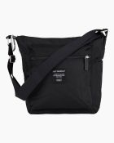 | Pal Bag | 092520 | 6411254851173 | 999 | black | 58.99 | 140 | 0
29 | 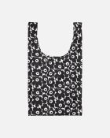 | Smartbag Mini Unikko bag | 091493 | 6411254772324 | 190 | white, black | 10.52 | 29 | 3
30 | 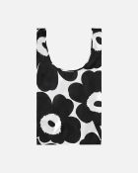 | Smartbag Unikko bag | 091492 | 6411254772317 | 190 | white, black | 10.52 | 29 | 65
31 | 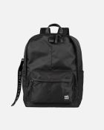 | Zip Top Backpack Solid | 093325 | 6411254921555 | 009 | black | 88.91 | 245 | 4
32 | 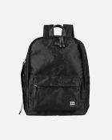 | Zip Top Backpack Unikko | 093324 | 6411254921524 | 999 | black | 96.17 | 265 | 67

